Gas Dist WACC
See Support from Page 4 of Rev Req |  |  |  |  | THE NARRAGANSETT ELECTRIC COMPANY
 |  |  |  |  | d/b/a RHODE ISLAND ENERGY
 |  |  |  |  | RIPUC Docket No. 25-45-GE
 |  |  |  |  | Schedule NH-4-GAS
 | LT Debt | 42.9900% | LT Debt Cost | 4.7700%
 | ST Debt | 0.0000% | ST Debt Cost | 4.5500%
 | Common Equity | 57.0100% | Equity Cost | 10.7500%

 | WACC (Pre-Tax) | 8.1800% | WACC (After-Tax) | 9.8100%

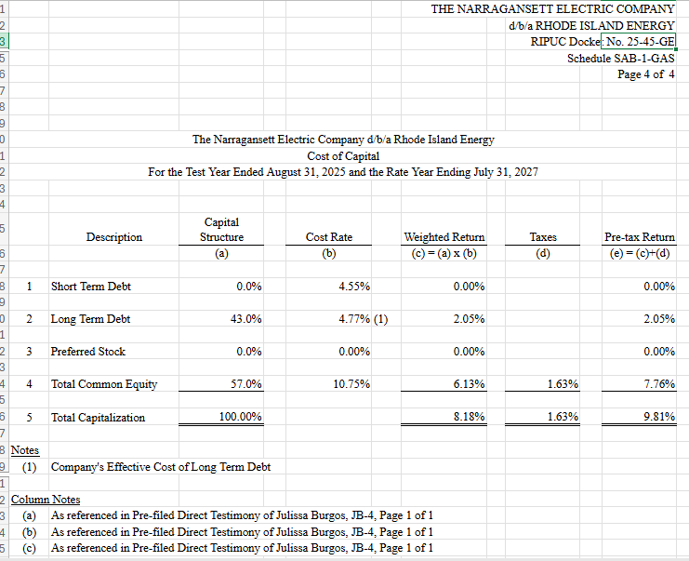

 |  |  |  |  |  | This support will need to be updated with the latest capital structure once final.
 |  |  |  |  |  | Amount above is the latest calc as of 11/16/2025 9:30PM

