64843
 |  |  |  |  |  |  |  |  |  |  |  |  |  |  |  |  |  |  |  |  |  |  |  |  |  |  |  |  |  |  |  |  |  |  |  |  | The Narragansett Electric Company
 |  |  |  |  |  |  |  |  |  |  |  |  |  |  |  |  |  |  |  |  |  |  |  |  |  |  |  |  |  |  |  |  |  |  |  |  | d/b/a Rhode Island Energy
 |  |  |  |  |  |  |  |  |  |  |  |  |  |  |  |  |  |  |  |  |  |  |  |  |  |  |  |  |  |  |  |  |  |  |  |  | Docket No. 25-45-GE
 |  |  |  |  |  |  |  |  |  |  |  |  |  |  |  |  |  |  |  |  |  |  |  |  |  |  |  |  |  |  |  |  |  |  |  |  | Attachment Div 26-1-23
 |  |  |  |  |  |  |  |  |  |  |  |  |  |  |  |  |  |  |  |  |  |  |  |  |  |  |  |  |  |  |  |  |  |  |  |  | Page 1 of 1

Line Item from Division Sample | Originating Company | Group | Year | Accounting Period | Journal ID | Jounal Date | Activity | Activity Description | Project ID | Project Description | Sub Project | Sub Project Descr | FERC Account | Account | Budget Item | Budget Item Description | System Source | Vendor Name | Journal Line Ref | Invoice Number | Invoice Date | Journal Description | Description 50 | Payee Name | Customer Name / Merchant | Pay Code | Resource Sub Category | Monetary Amount | Electric / Gas | Direct Rate | Services Rate | RIE Monetary Direct | RIE Monetary Indirect | Total RIE | Expense Type | System Source Name | match_tier | match_id | match_partner_line | accrual_flag | accrual_reason | abs_value | stratum | sample_weight
64843 | PPL Services Corporation | INFORMATION SERVICES | 2025 | 3 | JEU6405120 | 45717 |  |  | 10061442 | 10061228 HCM/Payroll RIT25 |  |  |  | 10711 | 32000 | Work By Outsiders |  |  |  |  |  | General Ledger Entry | Serv Joint Prj OpCo Alloc |  |  |  |  |  | Electric |  |  | 2404.42 |  | 2404.42 | ALLOCATED CAPITAL |  |  |  |  | FALSE |  | 2404.42 | S2 | 237.3333

Line No. | Originating Company | Group | Year | Accounting Period | Journal ID | Jounal Date | Activity | Activity Description | Project ID | Project Description | Sub Project | Sub Project Descr | FERC Account | Account | Budget Item | Budget Item Description | System Source | Vendor Name | Journal Line Ref | Invoice Number | Invoice Date | Journal Description | Description 50 | Payee Name | Customer Name/Merchant | Pay Code | Resource Sub Category | Monetary Amount | Electric/Gas | Direct Rate | Services Rate | RIE Monetary Direct | RIE Monetary Indirect | Total RIE | Expense Type | Source Year | Source Accounting Period | Source Journal ID | Source Jounal Date
1 | PPL Services Corporation | INFORMATION SERVICES | 2025 | 3 | JEU6405120 | 45717 | 000008HIMP | Implement | 10061228 | HCM/Payroll 2025 | 100 | Capital | 107 | 10711 | 32000 | Work By Outsiders | IAP | COGNIZANT WORLDWIDE LIMITED | 198776 | CW101-0002106359 | 45691 | AP000000010803|203|20250326 | 3e736445-a980-0600-000c-68e967d7973e |  |  |  |  | 62911.8 | Electric |  | 0.2096 | 13186.31328 |  | 13186.31328 | Allocated Capital | 2025 | 3 | IAP0014459 | 45742
2 | PPL Services Corporation | INFORMATION SERVICES | 2025 | 3 | JEU6405120 | 45717 | 000008HIMP | Implement | 10061228 | HCM/Payroll 2025 | 100 | Capital | 107 | 10711 | 32000 | Work By Outsiders | IAP | COGNIZANT WORLDWIDE LIMITED | 204077 | CW101-0002136334 | 45720 | AP000000010803|203|20250326 | 3e736445-a980-0600-000c-68e367d7973e |  |  |  |  | 62911.8 | Electric |  | 0.2096 | 13186.31328 |  | 13186.31328 | Allocated Capital | 2025 | 3 | IAP0014459 | 45742
3 | PPL Services Corporation | INFORMATION SERVICES | 2025 | 3 | JEU6405120 | 45717 | 000008HIMP | Implement | 10061228 | HCM/Payroll 2025 | 100 | Capital | 107 | 10711 | 32000 | Work By Outsiders | IAP | NEUDESIC LLC | 202217 | 38811 | 45708 | AP000000010804|205|20250326 | 6d28e445-a980-e300-000a-5b6a67d79750 |  |  |  |  | 15048 | Electric |  | 0.2096 | 3154.0608 |  | 3154.0608 | Allocated Capital | 2025 | 3 | IAP0014459 | 45742
4 | PPL Services Corporation | INFORMATION SERVICES | 2025 | 3 | JEU6405120 | 45717 | 000008HIMP | Implement | 10061228 | HCM/Payroll 2025 | 100 | Capital | 107 | 10711 | 32000 | Work By Outsiders | IAP | COGNIZANT WORLDWIDE LIMITED | 198776 | CW101-0002106359 | 45691 | AP000000010803|203|20250326 | 3e736445-a980-0600-000c-68ed67d7973e |  |  |  |  | 3774.71 | Electric |  | 0.2096 | 791.179216 |  | 791.179216 | Allocated Capital | 2025 | 3 | IAP0014459 | 45742
5 | PPL Services Corporation | INFORMATION SERVICES | 2025 | 3 | JEU6405120 | 45717 | 000008HIMP | Implement | 10061228 | HCM/Payroll 2025 | 100 | Capital | 107 | 10711 | 32000 | Work By Outsiders | IAP | COGNIZANT WORLDWIDE LIMITED | 204077 | CW101-0002136334 | 45720 | AP000000010803|203|20250326 | 3e736445-a980-0600-000c-68eb67d7973e |  |  |  |  | 3774.71 | Electric |  | 0.2096 | 791.179216 |  | 791.179216 | Allocated Capital | 2025 | 3 | IAP0014459 | 45742
 |  |  |  |  |  |  |  |  |  |  |  |  |  |  |  |  |  |  |  |  |  |  |  |  |  |  |  | 148421.02 |  |  |  | 31109.045792

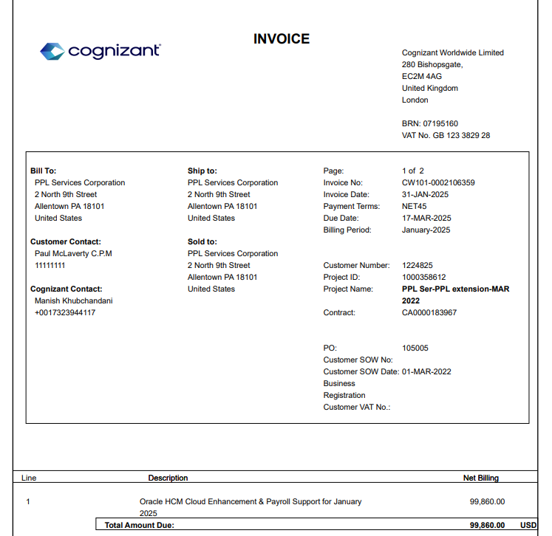
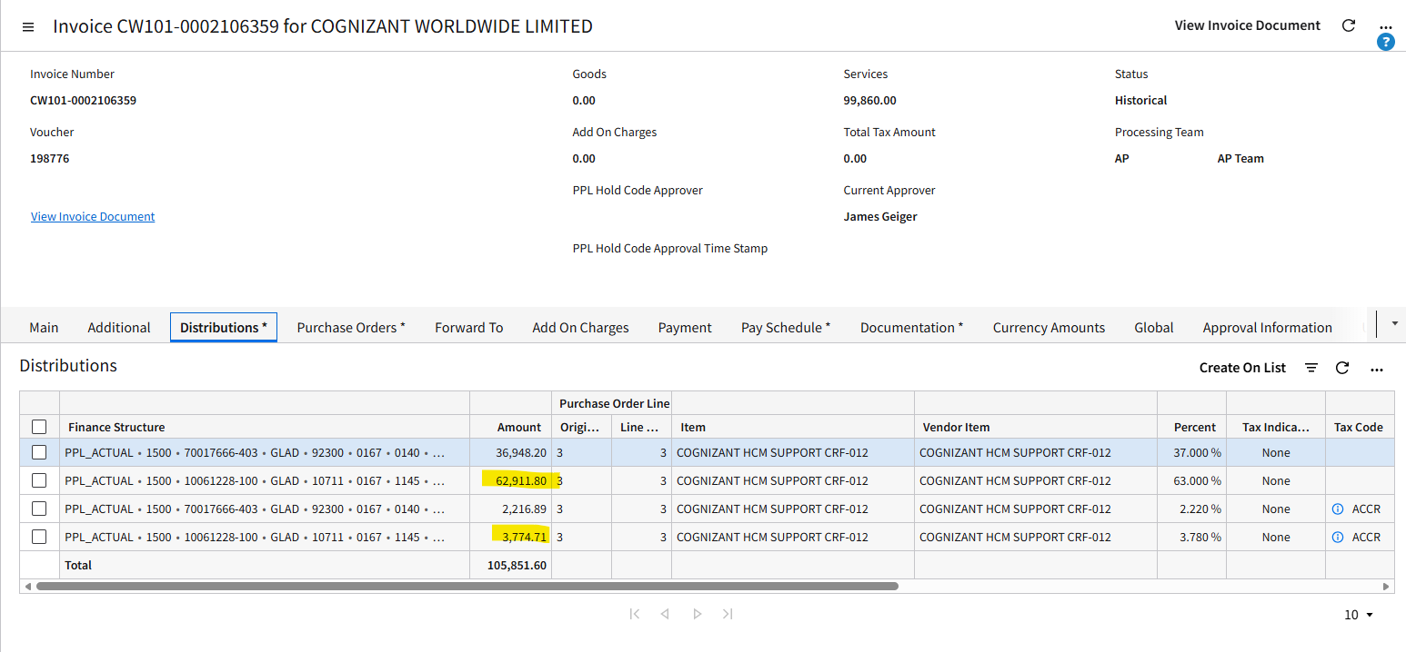
 |  | Cust Code 4166 | Allocation Methodology |  |  | Source Description: This is a project to upgrade the version of HR and payroll modules within Oracle Human Capital Management (HCM).
 |  | # of Network Users PA/RI | RID | 19.34% | 28,704.63
 |  |  | RIG | 17.85% | 26,493.15
 |  |  | RIT | 1.62% | 2,404.42
 |  |  | KY | 0.00%
 |  |  | PA | 61.19%

 |  |  |  |  | Electric
 |  |  |  |  | 31,109.05

 |  | Kentucky recieved 0% because KY utilizes a different payroll system (VOLTS/Peoplesoft) than PA and RI (Oracle HCM).

