63911
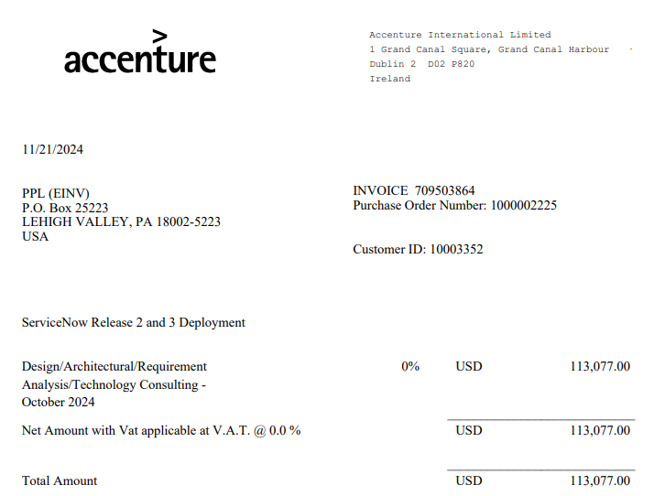
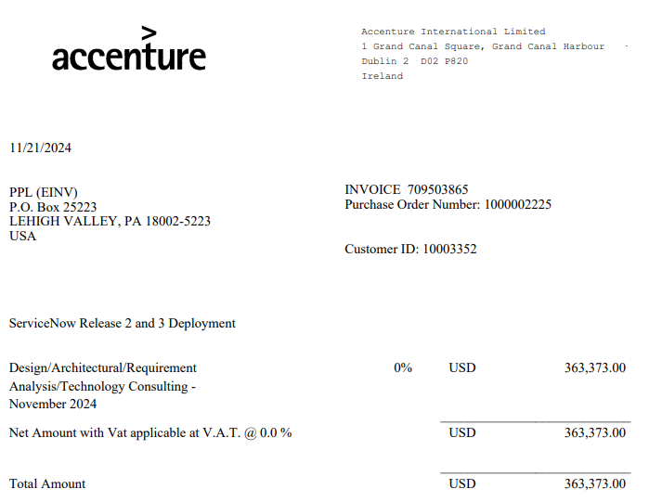
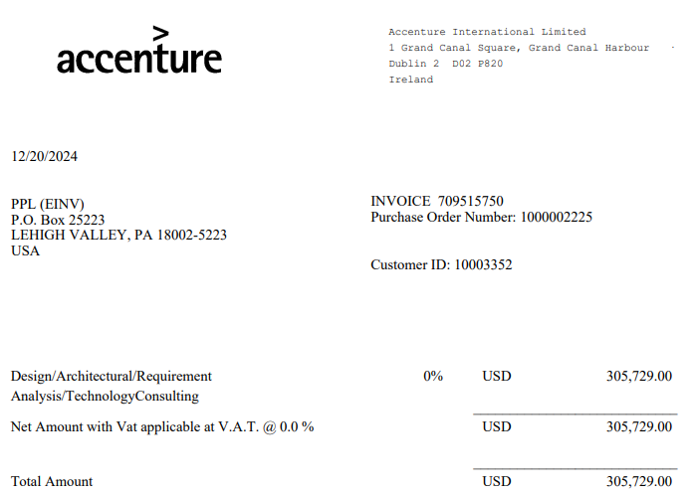
 |  |  |  |  |  |  |  |  |  |  |  |  |  |  |  |  |  |  |  |  |  |  |  |  |  |  |  |  |  |  |  |  |  |  |  |  | The Narragansett Electric Company
 |  |  |  |  |  |  |  |  |  |  |  |  |  |  |  |  |  |  |  |  |  |  |  |  |  |  |  |  |  |  |  |  |  |  |  |  | d/b/a Rhode Island Energy
 |  |  |  |  |  |  |  |  |  |  |  |  |  |  |  |  |  |  |  |  |  |  |  |  |  |  |  |  |  |  |  |  |  |  |  |  | Docket No. 25-45-GE
 |  |  |  |  |  |  |  |  |  |  |  |  |  |  |  |  |  |  |  |  |  |  |  |  |  |  |  |  |  |  |  |  |  |  |  |  | Attachment Div 26-1-32
 |  |  |  |  |  |  |  |  |  |  |  |  |  |  |  |  |  |  |  |  |  |  |  |  |  |  |  |  |  |  |  |  |  |  |  |  | Page 1 of 1

Line Item from Division Sample | Originating Company | Group | Year | Accounting Period | Journal ID | Jounal Date | Activity | Activity Description | Project ID | Project Description | Sub Project | Sub Project Descr | FERC Account | Account | Budget Item | Budget Item Description | System Source | Vendor Name | Journal Line Ref | Invoice Number | Invoice Date | Journal Description | Description 50 | Payee Name | Customer Name / Merchant | Pay Code | Resource Sub Category | Monetary Amount | Electric / Gas | Direct Rate | Services Rate | RIE Monetary Direct | RIE Monetary Indirect | Total RIE | Expense Type | System Source Name | match_tier | match_id | match_partner_line | accrual_flag | accrual_reason | abs_value | stratum | sample_weight
63911 | PPL Services Corporation | INFORMATION SERVICES | 2024 | 12 | JEU6406154 | 2024-12-01 |  |  | 10061431 | 10061217 ServiceNow RIT24 |  |  |  | 10711 | 32000 | Work By Outsiders |  |  |  |  |  | General Ledger Entry | Serv Joint Prj OpCo Alloc |  |  |  |  |  | Electric |  |  | 144,077.37 |  | 144077.37 | ALLOCATED CAPITAL |  |  |  |  | FALSE |  | 144077.37 | S4 | 8.0909

Line No. | Originating Company | Group | Year | Accounting Period | Journal ID | Jounal Date | Activity | Activity Description | Project ID | Project Description | Sub Project | Sub Project Descr | FERC Account | Account | Budget Item | Budget Item Description | System Source | Vendor Name | Journal Line Ref | Invoice Number | Invoice Date | Journal Description | Description 50 | Payee Name | Customer Name/Merchant | Pay Code | Resource Sub Category | Monetary Amount | Electric/Gas | Direct Rate | Services Rate | RIE Monetary Direct | RIE Monetary Indirect | Total RIE | Expense Type | Source Year | Source Accounting Period | Source Journal ID | Source Jounal Date
1 | PPL Services Corporation | INFORMATION SERVICES | 2024 | 12 | JEU6406154 | 12/2024 | 000008HIMP | Implement | 10061217 | ServiceNow 2024 | 100 | Capital | 107 | 10711 | 32000 | Work By Outsiders | IAP | Accenture International Limited | 16927 | 709503864 | 45617 | AP000000009765|100|20241212 | 00b9ce66-c980-5b00-0019-935b67453c50 |  |  |  |  | 113077 | Electric |  | 0.1009 | 11409.4693 |  | 11409.4693 | Allocated Capital | 2024 | 12 | IAP0014316 | 45638
2 | PPL Services Corporation | INFORMATION SERVICES | 2024 | 12 | JEU6406154 | 12/2024 | 000008HIMP | Implement | 10061217 | ServiceNow 2024 | 100 | Capital | 107 | 10711 | 32000 | Work By Outsiders | IAP | Accenture International Limited | 16928 | 709503865 | 45617 | AP000000009765|100|20241212 | 00b9ce66-c980-5b00-0019-935c67453c50 |  |  |  |  | 363373 | Electric |  | 0.1009 | 36664.3357 |  | 36664.3357 | Allocated Capital | 2024 | 12 | IAP0014316 | 45638
3 | PPL Services Corporation | INFORMATION SERVICES | 2024 | 12 | JEU6406154 | 12/2024 | 000008HIMP | Implement | 10061217 | ServiceNow 2024 | 100 | Capital | 107 | 10711 | 32000 | Work By Outsiders | IAP | Accenture International Limited | 17947 | 709515750 | 45646 | AP000000009866|275|20241223 | 4b23c7e7-c980-1600-0001-86ba67665f2b |  |  |  |  | 305729 | Electric |  | 0.1009 | 30848.0561 |  | 30848.0561 | Allocated Capital | 2024 | 12 | IAP0015185 | 45649
 |  |  |  |  |  |  |  |  |  |  |  |  |  |  |  |  |  |  |  |  |  |  |  |  |  |  |  | 782,179.00 |  |  |  | 78,921.86

 |  | Cust Code 4167 | Allocation Methodology |  |  |  | Source Description: This is a project to fully implement all required modules of the ServiceNow Platform as the primary work management tool for IT.
 |  | Based on # of network users | RID | 9.23% | 72,195.12
 |  |  | RIG | 8.33% | 65,155.51 |  | Electric
 |  |  | RIT | 0.86% | 6,726.74 |  | 78,921.86
 |  |  | KY | 42.62% | 333,364.69
 |  |  | PA | 38.96% | 304,736.94

 |  |  |  |  | 782,179.00

 |  |  |  |  | 144,077.37 | Accounting placed all of the RI amount into T on this transaction and adjusted in January 2025 as evidenced below - adjusted $-137,350.63 to get to the correct allocated amount of $6,726.74

