L 684
 |  |  |  |  |  |  |  |  |  |  |  |  |  |  |  |  |  |  |  |  |  |  |  |  |  |  |  |  |  |  |  |  |  |  | The Narragansett Electric Company
 |  |  |  |  |  |  |  |  |  |  |  |  |  |  |  |  |  |  |  |  |  |  |  |  |  |  |  |  |  |  |  |  |  |  | d/b/a Rhode Island Energy
 |  |  |  |  |  |  |  |  |  |  |  |  |  |  |  |  |  |  |  |  |  |  |  |  |  |  |  |  |  |  |  |  |  |  | Docket No. 25-45-GE
 |  |  |  |  |  |  |  |  |  |  |  |  |  |  |  |  |  |  |  |  |  |  |  |  |  |  |  |  |  |  |  |  |  |  | Attachment DIV 27-3-5
 |  |  |  |  |  |  |  |  |  |  |  |  |  |  |  |  |  |  |  |  |  |  |  |  |  |  |  |  |  |  |  |  |  |  | Page 1 of 1

Original Filing
Line Item from Division Sample | Originating Company | Group | Year | Accounting Period | Journal ID | Jounal Date | Activity | Activity Description | Project ID | Project Description | Sub Project | Sub Project Descr | FERC Account | Account | Budget Item | Budget Item Description | System Source | Vendor Name | Journal Line Ref | Invoice Number | Invoice Date | Journal Description | Description 50 | Payee Name | Customer Name / Merchant | Pay Code | Resource Sub Category | Monetary Amount | Electric / Gas | Direct Rate | Services Rate | RIE Monetary Direct | RIE Monetary Indirect | Total RIE | Expense Type
 | (a) | (b) | (c) | (d) | (e) | (f) | (g) | (h) | (i) | (j) | (k) | (l) | (m) | (n) | (o) | (p) | (q) | (r) | (s) | (t) | (u) | (v) | (w) | (x) | (y) | (z) | (aa) | (ab) | (ac) | (ad) | (ae) | (af)=(ad)*(ab) | (ag)=((ae)*(ab))*indirect rate | (ah)=(af)+(ag) | (ai)
684 | PPL Services Corporation | OGC | 2025 | 1 | PJU0995344 | 2025-01-02 | 000001C030 | Board Services | 734401 | Board Services | 930 | Directors' Fees | 930_2 | 93023 | 33000 | Services | PJU |  | RES |  |  |  | Retainer (Req Stock) |  |  |  |  | 382500 | Electric | 0.25 |  | 97499 | 0.00 | 97,499.25 | O&M

 |  |  |  | Total
Total RIE Allocated in orig filing |  |  |  | 382500.00 |  |  | Total RIE Allocated in orig filing |  |  |  | 97499.25

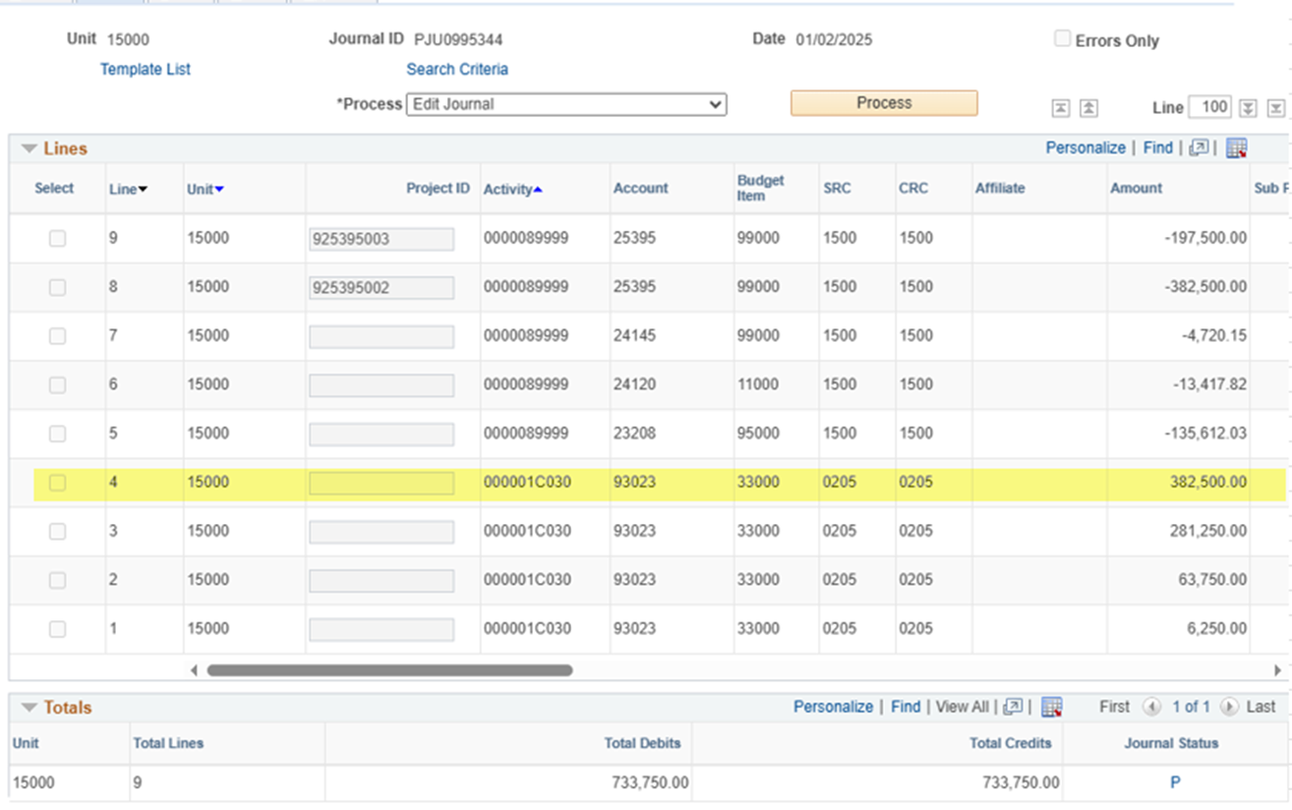
Benefit to RI: |  | Director Fee's for Board Services is paid by all operating companies since the work/fees are completed for all companies.
Activity |  | 000001C030
Allocation |  | Operating Segments-ALL

KY | 33.34%
EU-D | 26.23%
EU -T | 7.10%
RI - T | 4.41%
RI-D | 21.08%
RI-G | 7.84%
 | 100.00%

